Sheet1
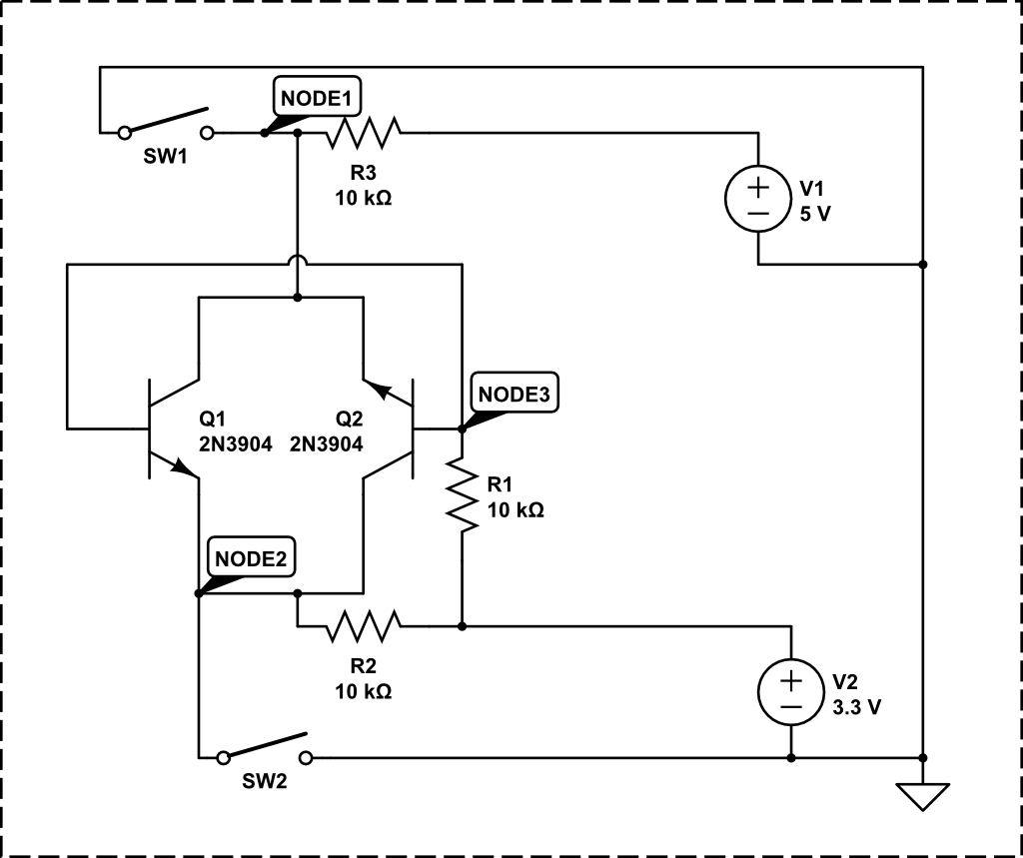
SW1, SW2 open
V(NODE1) | 5.000 V
V(NODE2) | 3.300 V
V(NODE3) | 3.300 V

SW1 closed, SW2 open
V(NODE1) | 0.000 V
V(NODE2) | 22.48 mV
V(NODE3) | 655.7 mV

SW1 closed, SW2 closed
V(NODE1) | 0.000 V
V(NODE2) | 0.000 V
V(NODE3) | 646.6 mV

SW1 open, SW2 closed
V(NODE1) | 15.49 mV
V(NODE2) | 0.000 V
V(NODE3) | 652.1 mV

